CLASIFICACIÓNS
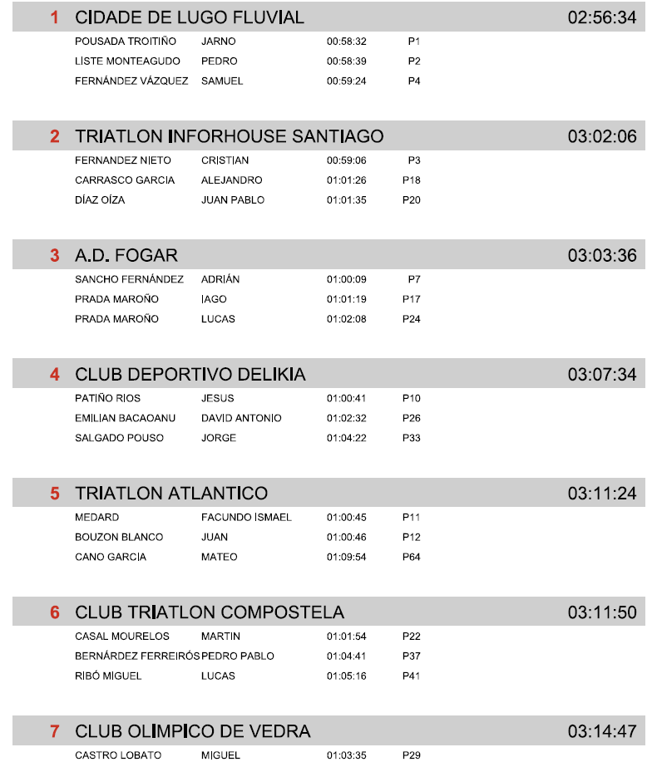
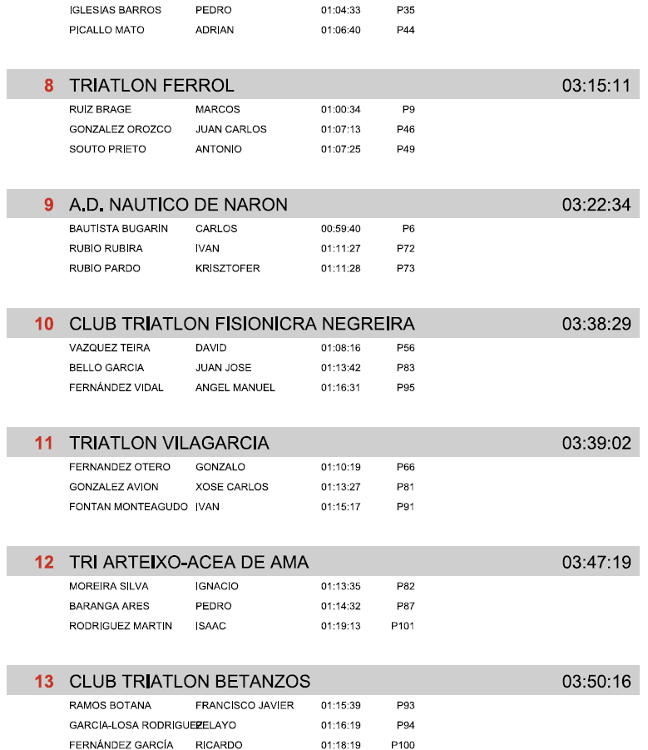
 |  | XXXVII TRIATLON DO MIÑO- LUGO
 |  |  | 2026-08-09
 |  |  | 2026-08-09

Oficiais |  |  |  | Xurado de competición:
Xuíz árbitro: José Javier Gómez Iglesias |  |  |  | Julia Ferreira Calvo |  |  |  | Tª auga: |  | 24,1º
Delegado Técnico: M Julia Ferreira Calvo |  |  |  | Javier Campos Peña |  |  |  | Tª Aire: |  | 27º
 |  |  |  |  |  |  |  | Neopreno: |  | Prohibido

DATOS DA COMPETICIÓN: 750 m (NATACIÓN, 1 volta) | 20 Km (CICLISMO, 4 voltas) - 5000 m (CARREIRA, 2 voltas)
Inscritos: 181 |  |  | Non presentados: 11 |  |  |  | Non finalizados: 11 |  | Descualificados: 0

CLASIFICACIÓN INDIVIDUAL

ABSOLUTA FEMININA
Pos.Gen | Pos.Cat | Dorsal | Nombre | Club | Categoría | Natación | P.Nat | T1 | P.T1 | Ciclismo | P.Cic | T2 | P.T2 | Carrera | P.Car | Meta
1 | 1 | 134 | LUCÍA PIÑÓN PEREIRA | CLUB DEPORTIVO DELIKIA | SUB-23F | 00:12:19 | 3 | 00:01:51 | 2 | 00:31:45 | 1 | 00:02:02 | 5 | 00:19:51 | 3 | 01:07:49
2 | 2 | 136 | UXIA CAMPOS TATO | CIDADE DE LUGO FLUVIAL | SUB-23F | 00:11:51 | 1 | 00:01:59 | 6 | 00:32:10 | 2 | 00:01:54 | 3 | 00:20:04 | 4 | 01:07:59
3 |  | 135 | ANA MARIA SANTISO PRADO | CIDADE DE LUGO FLUVIAL | ABF | 00:11:58 | 1 | 00:01:54 | 1 | 00:33:05 | 1 | 00:01:58 | 2 | 00:19:17 | 1 | 01:08:14
4 | 3 | 137 | GABRIELA QUINTAS CASTRO | CLUB DEPORTIVO DELIKIA | SUB-23F | 00:12:35 | 6 | 00:01:43 | 1 | 00:33:14 | 6 | 00:01:49 | 1 | 00:19:01 | 1 | 01:08:24
5 | 4 | 144 | IRIA FERNANDEZ DIAZ | CLUB TRIATLON VILALBA | SUB-23F | 00:12:09 | 2 | 00:01:59 | 5 | 00:33:03 | 4 | 00:01:52 | 2 | 00:19:30 | 2 | 01:08:34
6 |  | 152 | ANA PÉREZ GARCÍA-PICHER | CLUB DEPORTIVO DELIKIA | ABF | 00:12:01 | 2 | 00:01:56 | 2 | 00:33:08 | 2 | 00:02:04 | 3 | 00:19:55 | 2 | 01:09:05
7 | 1 | 160 | MARTA MUÑIZ RAMA | CLUB DEPORTIVO DELIKIA | JVF | 00:12:35 | 1 | 00:01:57 | 4 | 00:32:55 | 2 | 00:01:54 | 4 | 00:19:45 | 3 | 01:09:07
8 | 2 | 138 | EUGENIA VÉREZ SEOANE | CIDADE DE LUGO FLUVIAL | JVF | 00:12:37 | 2 | 00:01:53 | 2 | 00:32:54 | 1 | 00:02:01 | 9 | 00:20:14 | 4 | 01:09:42
9 | 5 | 142 | INÉS GÓMEZ RILO | CIDADE DE LUGO FLUVIAL | SUB-23F | 00:12:33 | 5 | 00:01:57 | 4 | 00:32:41 | 3 | 00:02:03 | 6 | 00:20:55 | 6 | 01:10:10
10 | 6 | 139 | AINOA GONTÁN IGLESIAS | TRIATLON INFORHOUSE SANTIAGO | SUB-23F | 00:12:23 | 4 | 00:01:53 | 3 | 00:33:07 | 5 | 00:01:56 | 4 | 00:21:00 | 7 | 01:10:22
11 | 3 | 168 | LEIRE GARCÍA PICO | TRIATLON ATLANTICO | JVF | 00:13:35 | 7 | 00:02:02 | 6 | 00:34:05 | 6 | 00:01:48 | 1 | 00:19:39 | 1 | 01:11:10
12 | 4 | 159 | CLAUDIA MORAN GARCIA | CIDADE DE LUGO FLUVIAL | JVF | 00:12:39 | 3 | 00:02:00 | 5 | 00:35:19 | 10 | 00:02:00 | 8 | 00:19:44 | 2 | 01:11:45
13 | 5 | 163 | LUCIA TABOADA CODESIDO | CLUB OLIMPICO DE VEDRA | JVF | 00:12:40 | 4 | 00:02:05 | 7 | 00:35:00 | 9 | 00:01:52 | 2 | 00:20:24 | 6 | 01:12:02
14 | 6 | 158 | NAYARA HERNÁNDEZ LUQUERO | AD TRIATLÓN ECOSPORT ALCOBENDAS | JVF | 00:13:17 | 5 | 00:01:56 | 3 | 00:34:35 | 8 | 00:01:53 | 3 | 00:20:22 | 5 | 01:12:05
15 |  | 145 | MIRIAN TRIGO CASTRO | TRIATLON INFORHOUSE SANTIAGO | ABF | 00:12:41 | 4 | 00:02:01 | 3 | 00:35:05 | 5 | 00:01:53 | 1 | 00:20:25 | 3 | 01:12:07
16 | 7 | 171 | CANDELA LAGO CARBAJALES | TRIATLON INFORHOUSE SANTIAGO | JVF | 00:14:09 | 9 | 00:02:06 | 9 | 00:33:33 | 4 | 00:01:55 | 5 | 00:20:25 | 7 | 01:12:10
17 | 7 | 143 | NOEMI COUSELO MIRA | CLUB TRIATLON COMPOSTELA | SUB-23F | 00:14:22 | 7 | 00:02:03 | 7 | 00:33:22 | 7 | 00:02:06 | 7 | 00:20:34 | 5 | 01:12:28
18 | 1 | 180 | AIDA GARCIA LOPEZ | TRIATLON INFORHOUSE SANTIAGO | V2F | 00:14:48 | 1 | 00:02:13 | 1 | 00:32:56 | 1 | 00:02:07 | 1 | 00:20:30 | 1 | 01:12:35
19 |  | 146 | ALEJANDRA NÚÑEZ AMADO | TRIATLON INFORHOUSE SANTIAGO | ABF | 00:14:30 | 6 | 00:02:10 | 4 | 00:33:16 | 3 | 00:02:08 | 4 | 00:21:01 | 4 | 01:13:08
20 | 8 | 140 | CRISTINA GÓMEZ RILO | CIDADE DE LUGO FLUVIAL | JVF | 00:13:21 | 6 | 00:01:52 | 1 | 00:34:26 | 7 | 00:01:59 | 7 | 00:22:13 | 8 | 01:13:54
21 | 1 | 156 | INÉS SERANTES BARREIRO | CLUB DEPORTIVO DELIKIA | JNF | 00:12:36 | 1 | 00:01:59 | 1 | 00:35:06 | 2 | 00:01:59 | 1 | 00:22:15 | 1 | 01:13:57
22 | 2 | 157 | INES FERNANDEZ ROMERO | TRIATLON ATLANTICO | JNF | 00:14:06 | 2 | 00:02:09 | 2 | 00:33:27 | 1 | 00:02:04 | 2 | 00:22:18 | 2 | 01:14:05
23 |  | 149 | NEREA ALVITE BERGARA | CLUB TRIATLON TRITONES RIOJA | ABF | 00:12:09 | 3 | 00:02:50 | 8 | 00:34:57 | 4 | 00:02:36 | 7 | 00:22:42 | 7 | 01:15:15
24 | 9 | 170 | CARLA GIL LEIS | TRIATLON INFORHOUSE SANTIAGO | JVF | 00:14:15 | 11 | 00:02:06 | 8 | 00:33:29 | 3 | 00:02:14 | 12 | 00:23:48 | 11 | 01:15:54
25 | 10 | 169 | ICIA CASTRO FANDIÑO | TRIATLON INFORHOUSE SANTIAGO | JVF | 00:13:45 | 8 | 00:02:10 | 11 | 00:33:53 | 5 | 00:02:25 | 13 | 00:24:33 | 12 | 01:16:48
26 | 2 | 178 | MARIA ELENA MIGUENS OTERO | CLUB OLIMPICO DE VEDRA | V2F | 00:16:36 | 2 | 00:02:32 | 2 | 00:35:37 | 2 | 00:02:19 | 2 | 00:21:45 | 2 | 01:18:52
27 |  | 147 | ALEXIA MARIA COUSELO MIRA | TRIATLON INFORHOUSE SANTIAGO | ABF | 00:16:03 | 7 | 00:02:16 | 5 | 00:36:33 | 6 | 00:02:11 | 5 | 00:22:35 | 6 | 01:19:40
28 | 11 | 172 | LUCIA ROS GONZALEZ | TRIATLON INFORHOUSE SANTIAGO | JVF | 00:16:35 | 14 | 00:02:08 | 10 | 00:36:05 | 11 | 00:01:56 | 6 | 00:23:10 | 9 | 01:19:54
29 | 12 | 165 | LOLA VILLAR ALVITE | CLUB TRIATLON COMPOSTELA | JVF | 00:14:12 | 10 | 00:02:16 | 12 | 00:38:28 | 13 | 00:02:05 | 10 | 00:23:15 | 10 | 01:20:18
30 | 1 | 173 | MARTA REDONDO VICENTE | AD TRIATLÓN ECOSPORT ALCOBENDAS | V1F | 00:16:53 | 2 | 00:02:24 | 2 | 00:37:37 | 1 | 00:02:22 | 1 | 00:22:12 | 1 | 01:21:29
31 | 13 | 162 | ALEJANDRA RODRIGUEZ VARELA | CLUB OLIMPICO DE VEDRA | JVF | 00:14:25 | 12 | 00:02:40 | 14 | 00:37:52 | 12 | 00:02:11 | 11 | 00:25:23 | 14 | 01:22:33
32 |  | 151 | ROSALÍA RODRÍGUEZ-GIGIREY VILLAR | CLUB TRIATLON COMPOSTELA | ABF | 00:18:43 | 9 | 00:02:33 | 6 | 00:39:53 | 7 | 00:02:11 | 6 | 00:21:27 | 5 | 01:24:48
33 | 3 | 179 | SUSANA MARIA CARBALLO BALOIRA | TRI ARTEIXO-ACEA DE AMA | V2F | 00:18:39 | 3 | 00:03:03 | 3 | 00:37:19 | 3 | 00:02:38 | 3 | 00:23:17 | 3 | 01:24:58
34 | 14 | 166 | NOA ALVAREZ BASCOY | CLUB TRIATLON MAR DE VIGO | JVF | 00:15:06 | 13 | 00:02:25 | 13 | 00:40:46 | 14 | 00:02:32 | 14 | 00:24:38 | 13 | 01:25:29
35 | 2 | 174 | SUSANA NIETO PAZOS | CLUB TRIATLON COMPOSTELA | V1F | 00:19:03 | 3 | 00:02:23 | 1 | 00:40:23 | 3 | 00:02:38 | 2 | 00:23:27 | 2 | 01:27:56
36 | 3 | 175 | LORENA GARCIA LAGO | CLUB TRIATLON MAR DE VIGO | V1F | 00:16:44 | 1 | 00:03:04 | 3 | 00:39:35 | 2 | 00:02:46 | 3 | 00:26:43 | 3 | 01:28:53
37 | 1 | 181 | PURIFICACION LOPEZ MAHIA | TRIATLON ATLANTICO | V3F | 00:19:19 | 1 | 00:03:24 | 1 | 00:41:10 | 1 | 00:03:22 | 1 | 00:24:35 | 1 | 01:31:51
38 |  | 148 | MARÍA DEL CARMEN TORRES ROJAS | TRIATLON ATLANTICO | ABF | 00:18:33 | 8 | 00:02:50 | 7 | 00:42:50 | 8 | 00:03:01 | 8 | 00:24:50 | 8 | 01:32:06
39 |  | 150 | ANDREA RASCADO RIOS | CLUB TRIATLON MAR DE VIGO | ABF | 00:14:27 | 5 | 00:03:17 | 9 | 00:46:38 | 9 | 00:03:24 | 9 | 00:24:57 | 9 | 01:32:45
DNF |  | 154 | LUCIE NINA MARIANNE DUPRE | CIDADE DE LUGO FLUVIAL | JNF | - | - | - | - | - | - | - | - | - | -
DNF |  | 161 | JULIA PEREIRAS VAZQUEZ | CLUB OLIMPICO DE VEDRA | JVF | - | - | - | - | - | - | - | - | - | -
DNS |  | 153 | PAULA ALONSO PRIETO | APTRI-UNIVERSIDAD DE OVIEDO | ABF | - | - | - | - | - | - | - | - | - | -
DNS |  | 155 | JIMENA FERNANDEZ ALONSO | CIDADE DE LUGO FLUVIAL | JNF | - | - | - | - | - | - | - | - | - | -
DNS |  | 164 | COVADONGA SUAREZ DE LA RIVA | CLUB TRIATLON COMPOSTELA | JVF | - | - | - | - | - | - | - | - | - | -
DNF |  | 167 | NEREA GUERRA IGLESIAS | CLUB TRIATLON VILALBA | JVF | - | - | - | - | - | - | - | - | - | -
DNS |  | 141 | LARA CASTRO LÓPEZ | CIDADE DE LUGO FLUVIAL | SUB-23F | - | - | - | - | - | - | - | - | - | -
DNS |  | 176 | MARTINA LOPEZ GESTAL | TRIATLON INFORHOUSE SANTIAGO | V1F | - | - | - | - | - | - | - | - | - | -
DNS |  | 177 | BEGOÑA GIL DE BARROETA | AD TRIATLÓN ECOSPORT ALCOBENDAS | V2F | - | - | - | - | - | - | - | - | - | -

 | ABSOLUTA MASCULINA
Pos.Gen | Pos.Cat | Dorsal | Nombre | Club | Categoría | Natación | P.Nat | T1 | P.T1 | Ciclismo | P.Cic | T2 | P.T2 | Carrera | P.Car | Meta
1 | 1 | 1 | JARNO POUSADA TROITIÑO | CIDADE DE LUGO FLUVIAL | SUB-23M | 00:10:42 | 2 | 00:01:41 | 3 | 00:28:25 | 1 | 00:01:45 | 6 | 00:15:56 | 2 | 00:58:31
2 | 2 | 5 | PEDRO LISTE MONTEAGUDO | CIDADE DE LUGO FLUVIAL | SUB-23M | 00:10:44 | 3 | 00:01:45 | 5 | 00:29:05 | 4 | 00:01:37 | 2 | 00:15:25 | 1 | 00:58:38
3 |  | 47 | CRISTIAN FERNANDEZ NIETO | TRIATLON INFORHOUSE SANTIAGO | ABM | 00:10:26 | 1 | 00:01:46 | 3 | 00:29:24 | 3 | 00:01:37 | 1 | 00:15:50 | 2 | 00:59:05
4 | 1 | 8 | SAMUEL FERNÁNDEZ VÁZQUEZ | CIDADE DE LUGO FLUVIAL | JNM | 00:10:42 | 2 | 00:01:44 | 4 | 00:28:25 | 1 | 00:01:47 | 6 | 00:16:44 | 4 | 00:59:23
5 |  | 2 | ANDRES CENDAN LLORENS | CIDADE DE LUGO FLUVIAL | ABM | 00:11:00 | 2 | 00:01:48 | 5 | 00:29:10 | 2 | 00:01:47 | 5 | 00:15:47 | 1 | 00:59:34
6 | 3 | 16 | CARLOS BAUTISTA BUGARIN | A.D. NAUTICO DE NARON | SUB-23M | 00:11:28 | 5 | 00:01:35 | 1 | 00:28:50 | 2 | 00:01:37 | 1 | 00:16:07 | 3 | 00:59:39
7 | 2 | 4 | ADRIÁN SANCHO FERNÁNDEZ | A.D. FOGAR | JNM | 00:10:58 | 4 | 00:01:44 | 5 | 00:28:57 | 3 | 00:01:54 | 9 | 00:16:33 | 2 | 01:00:08
8 | 4 | 19 | EDGAR MARTINEZ HIDALGO | CIDADE DE LUGO FLUVIAL | SUB-23M | 00:10:48 | 4 | 00:01:46 | 6 | 00:29:29 | 8 | 00:01:50 | 7 | 00:16:29 | 5 | 01:00:23
9 |  | 45 | MARCOS RUIZ BRAGE | TRIATLON FERROL | ABM | 00:11:17 | 3 | 00:01:43 | 2 | 00:29:00 | 1 | 00:01:41 | 3 | 00:16:50 | 4 | 01:00:33
10 | 1 | 72 | JESUS PATIÑO RIOS | CLUB DEPORTIVO DELIKIA | JVM | 00:10:38 | 1 | 00:01:39 | 1 | 00:29:23 | 7 | 00:01:49 | 5 | 00:17:09 | 1 | 01:00:40
11 |  | 41 | FACUNDO ISMAEL MEDARD | TRIATLON ATLANTICO | ABM | 00:11:55 | 5 | 00:01:35 | 1 | 00:29:29 | 5 | 00:01:41 | 2 | 00:16:03 | 3 | 01:00:44
12 | 3 | 65 | JUAN BOUZON BLANCO | TRIATLON ATLANTICO | JNM | 00:12:00 | 12 | 00:01:50 | 11 | 00:29:06 | 5 | 00:01:40 | 1 | 00:16:07 | 1 | 01:00:45
13 | 4 | 58 | CAMILO GAZOL TORRES | CIDADE DE LUGO FLUVIAL | JNM | 00:10:45 | 3 | 00:01:48 | 9 | 00:29:05 | 4 | 00:01:48 | 7 | 00:17:22 | 5 | 01:00:49
14 | 5 | 21 | TIAGO POUSADA TROITIÑO | CIDADE DE LUGO FLUVIAL | SUB-23M | 00:10:41 | 1 | 00:01:44 | 4 | 00:29:10 | 6 | 00:01:43 | 4 | 00:17:34 | 9 | 01:00:53
15 | 5 | 3 | AARON CRENDE LOPEZ | CIDADE DE LUGO FLUVIAL | JNM | 00:11:08 | 6 | 00:01:42 | 2 | 00:28:41 | 2 | 00:01:43 | 4 | 00:17:40 | 7 | 01:00:56
16 | 2 | 10 | IAGO COSTA RODRIGUEZ | CIDADE DE LUGO FLUVIAL | JVM | 00:11:07 | 3 | 00:01:46 | 5 | 00:29:06 | 4 | 00:01:49 | 4 | 00:17:13 | 2 | 01:01:02
17 | 6 | 7 | IAGO PRADA MAROÑO | A.D. FOGAR | JNM | 00:11:47 | 9 | 00:01:35 | 1 | 00:29:35 | 7 | 00:01:41 | 2 | 00:16:39 | 3 | 01:01:19
18 | 3 | 81 | ALEJANDRO CARRASCO GARCIA | TRIATLON INFORHOUSE SANTIAGO | JVM | 00:11:01 | 2 | 00:01:49 | 6 | 00:29:09 | 5 | 00:01:47 | 1 | 00:17:37 | 4 | 01:01:25
19 | 6 | 9 | MARCOS GÓMEZ RILO | CIDADE DE LUGO FLUVIAL | SUB-23M | 00:12:14 | 9 | 00:01:40 | 2 | 00:29:04 | 3 | 00:01:50 | 8 | 00:16:43 | 6 | 01:01:33
20 | 7 | 11 | JUAN PABLO DÍAZ OÍZA | TRIATLON INFORHOUSE SANTIAGO | SUB-23M | 00:12:02 | 8 | 00:01:47 | 7 | 00:29:08 | 5 | 00:01:41 | 3 | 00:16:54 | 7 | 01:01:34
21 |  | 51 | ALBERTO TOMÉ BRANDÓN | TRIATLON INFORHOUSE SANTIAGO | ABM | 00:11:50 | 4 | 00:01:48 | 4 | 00:29:25 | 4 | 00:01:44 | 4 | 00:16:52 | 5 | 01:01:40
22 |  | 32 | MARTIN CASAL MOURELOS | CLUB TRIATLON COMPOSTELA | ABM | - | - | - | - | - | - | - | - | - | - | 01:01:54
23 | 7 | 59 | DANIEL RULLAN OZUNA | CIDADE DE LUGO FLUVIAL | JNM | 00:11:08 | 7 | 00:01:46 | 6 | 00:29:07 | 6 | 00:01:43 | 3 | 00:18:21 | 10 | 01:02:06
24 | 4 | 66 | LUCAS PRADA MAROÑO | A.D. FOGAR | JVM | 00:12:01 | 8 | 00:01:52 | 8 | 00:29:06 | 2 | 00:01:51 | 7 | 00:17:15 | 3 | 01:02:07
25 | 8 | 54 | ALVARO COBELAS ALVAREZ | NATACION PABELLON OURENSE | JNM | 00:11:22 | 8 | 00:01:43 | 3 | 00:29:54 | 8 | 00:01:45 | 5 | 00:17:29 | 6 | 01:02:14
26 | 5 | 71 | DAVID ANTONIO EMILIAN BACAOANU | CLUB DEPORTIVO DELIKIA | JVM | 00:11:11 | 5 | 00:01:44 | 2 | 00:29:06 | 3 | 00:01:48 | 3 | 00:18:40 | 8 | 01:02:31
27 | 6 | 69 | JAVIER CAMPOS PACIO | CIDADE DE LUGO FLUVIAL | JVM | 00:11:09 | 4 | 00:01:45 | 4 | 00:28:58 | 1 | 00:01:55 | 10 | 00:19:21 | 11 | 01:03:08
28 | 8 | 12 | ÁLVARO ELIZALDE ROMERO | A.D. FOGAR | SUB-23M | 00:11:46 | 6 | 00:02:00 | 10 | 00:29:21 | 7 | 00:01:56 | 11 | 00:18:18 | 12 | 01:03:23
29 | 7 | 74 | MIGUEL CASTRO LOBATO | CLUB OLIMPICO DE VEDRA | JVM | 00:11:59 | 7 | 00:01:45 | 3 | 00:29:17 | 6 | 00:01:53 | 8 | 00:18:38 | 7 | 01:03:34
30 | 9 | 14 | RUBÉN OTERO LOSADA | A.D. FOGAR | SUB-23M | 00:11:57 | 7 | 00:01:51 | 9 | 00:30:33 | 9 | 00:01:52 | 9 | 00:17:55 | 10 | 01:04:09
31 |  | 50 | JESUS OTERO LESTON | TRIATLON INFORHOUSE SANTIAGO | ABM | 00:12:15 | 6 | 00:01:53 | 7 | 00:30:07 | 6 | 00:01:50 | 8 | 00:18:09 | 12 | 01:04:16
32 | 9 | 60 | SANTIAGO SILVA ALTAMIRANO | CIDADE DE LUGO FLUVIAL | JNM | 00:11:55 | 10 | 00:02:01 | 12 | 00:30:32 | 9 | 00:01:56 | 10 | 00:17:53 | 8 | 01:04:19
33 | 8 | 73 | JORGE SALGADO POUSO | CLUB DEPORTIVO DELIKIA | JVM | 00:11:58 | 6 | 00:01:55 | 10 | 00:30:28 | 9 | 00:02:00 | 11 | 00:17:58 | 5 | 01:04:21
34 | 1 | 103 | JACOBO CREGO FERNANDEZ | TRIATLON INFORHOUSE SANTIAGO | V1M | 00:12:51 | 3 | 00:01:52 | 1 | 00:30:17 | 1 | 00:01:50 | 2 | 00:17:39 | 2 | 01:04:31
35 | 10 | 61 | PEDRO IGLESIAS BARROS | CLUB OLIMPICO DE VEDRA | JNM | 00:11:59 | 11 | 00:01:48 | 10 | 00:30:36 | 10 | 00:01:56 | 11 | 00:18:11 | 9 | 01:04:32
36 |  | 49 | DAMIAN MARTINEZ SANCHEZ | TRIATLON INFORHOUSE SANTIAGO | ABM | 00:12:46 | 8 | 00:01:57 | 8 | 00:30:20 | 7 | 00:01:53 | 9 | 00:17:40 | 7 | 01:04:37
37 | 1 | 119 | PEDRO PABLO BERNÁRDEZ FERREIRÓS | CLUB TRIATLON COMPOSTELA | V2M | 00:11:43 | 1 | 00:02:05 | 3 | 00:30:32 | 1 | 00:01:57 | 2 | 00:18:21 | 3 | 01:04:40
38 | 11 | 57 | MIGUEL ANGEL CACERES NANGUSE | CIDADE DE LUGO FLUVIAL | JNM | 00:10:27 | 1 | 00:01:47 | 8 | 00:32:10 | 14 | 00:01:50 | 8 | 00:18:44 | 12 | 01:05:00
39 | 9 | 80 | MARTIN CALVELO PEREZ | TRIATLON INFORHOUSE SANTIAGO | JVM | 00:12:20 | 10 | 00:01:49 | 7 | 00:30:13 | 8 | 00:01:53 | 9 | 00:18:45 | 9 | 01:05:03
40 |  | 27 | JAIME RODRÍGUEZ RODRÍGUEZ | CIDADE DE LUGO FLUVIAL | ABM | 00:12:18 | 7 | 00:01:53 | 6 | 00:31:09 | 12 | 00:01:49 | 6 | 00:17:56 | 8 | 01:05:07
41 | 12 | 63 | LUCAS RIBÓ MIGUEL | CLUB TRIATLON COMPOSTELA | JNM | 00:11:04 | 5 | 00:01:47 | 7 | 00:31:37 | 13 | 00:02:06 | 12 | 00:18:39 | 11 | 01:05:15
42 | 10 | 22 | YAGO IGNACIO GARCIA SAINZ | CLUB TRIATLON COMPOSTELA | SUB-23M | 00:13:51 | 11 | 00:02:07 | 11 | 00:31:20 | 10 | 00:02:05 | 12 | 00:16:19 | 4 | 01:05:44
43 | 2 | 92 | JORGE FERRADANS VALDES | CLUB TRIATLON COMPOSTELA | V1M | 00:12:40 | 2 | 00:02:15 | 10 | 00:30:57 | 3 | 00:02:09 | 9 | 00:18:27 | 6 | 01:06:30
44 |  | 30 | ADRIAN PICALLO MATO | CLUB OLIMPICO DE VEDRA | ABM | 00:12:55 | 10 | 00:02:32 | 23 | 00:31:17 | 14 | 00:02:17 | 17 | 00:17:36 | 6 | 01:06:39
45 | 3 | 85 | DOMINGO FIGUEROA CARRERA | CIDADE DE LUGO FLUVIAL | V1M | 00:12:34 | 1 | 00:02:16 | 11 | 00:31:57 | 11 | 00:02:17 | 11 | 00:17:49 | 3 | 01:06:54
46 | 2 | 126 | JUAN CARLOS GONZALEZ OROZCO | TRIATLON FERROL | V2M | 00:13:54 | 3 | 00:02:03 | 2 | 00:31:18 | 2 | 00:01:48 | 1 | 00:18:07 | 1 | 01:07:12
47 | 13 | 55 | ANTÓN NO NÚÑEZ | A.D. FOGAR | JNM | 00:12:46 | 13 | 00:02:02 | 13 | 00:31:00 | 11 | 00:02:07 | 13 | 00:19:22 | 14 | 01:07:20
48 | 4 | 104 | NICOLAS DOMINGUEZ GARCIA | TRIATLON INFORHOUSE SANTIAGO | V1M | 00:14:40 | 8 | 00:01:59 | 2 | 00:30:42 | 2 | 00:01:55 | 3 | 00:18:04 | 4 | 01:07:22
49 |  | 46 | ANTONIO SOUTO PRIETO | TRIATLON FERROL | ABM | 00:12:52 | 9 | 00:02:04 | 9 | 00:30:55 | 11 | 00:02:11 | 14 | 00:19:20 | 16 | 01:07:24
50 | 10 | 82 | MAURO FUENTES SOSA | TRIATLON INFORHOUSE SANTIAGO | JVM | 00:12:48 | 12 | 00:02:04 | 13 | 00:32:12 | 11 | 00:02:10 | 13 | 00:18:11 | 6 | 01:07:27
51 | 5 | 102 | LUIS ANTONIO RILO GONZALEZ - VALLES | TRIATLON FERROL | V1M | 00:13:53 | 6 | 00:02:01 | 3 | 00:31:29 | 6 | 00:01:56 | 4 | 00:18:13 | 5 | 01:07:33
52 | 6 | 91 | MIGUEL DAPORTA MENDEZ | CLUB OLIMPICO DE VEDRA | V1M | 00:14:32 | 7 | 00:02:08 | 5 | 00:31:44 | 9 | 00:01:48 | 1 | 00:17:29 | 1 | 01:07:43
53 |  | 33 | JAVIER CORRAL SERTAL | CLUB TRIATLON COMPOSTELA | ABM | 00:14:22 | 16 | 00:02:08 | 13 | 00:30:46 | 10 | 00:01:50 | 7 | 00:18:42 | 13 | 01:07:49
54 | 14 | 62 | XOAN CORREDOIRA RODRÍGUEZ | CLUB TRIATLON COMPOSTELA | JNM | 00:13:22 | 14 | 00:02:10 | 14 | 00:31:04 | 12 | 00:02:12 | 14 | 00:19:01 | 13 | 01:07:50
55 |  | 43 | MARTIN BELLAS GÓMEZ | TRIATLON FERROL | ABM | 00:13:25 | 11 | 00:02:13 | 19 | 00:31:37 | 17 | 00:01:55 | 10 | 00:18:59 | 15 | 01:08:11
56 |  | 35 | DAVID VAZQUEZ TEIRA | CLUB TRIATLON FISIONICRA NEGREIRA | ABM | 00:15:24 | 18 | 00:02:10 | 15 | 00:30:30 | 8 | 00:02:07 | 11 | 00:18:02 | 10 | 01:08:16
57 |  | 52 | RAÚL FERNÁNDEZ BERRENDO | TRIATLÓN TETUÁN | ABM | 00:13:42 | 12 | 00:02:20 | 22 | 00:32:28 | 18 | 00:02:15 | 16 | 00:18:00 | 9 | 01:08:47
58 |  | 34 | BREOGAN JOSE GIGIREY CANCELA | CLUB TRIATLON COMPOSTELA | ABM | 00:15:04 | 17 | 00:02:09 | 14 | 00:31:19 | 15 | 00:02:13 | 15 | 00:18:06 | 11 | 01:08:52
59 | 3 | 128 | JOSE RAMON LAGO CIVES | TRIATLON INFORHOUSE SANTIAGO | V2M | 00:14:04 | 5 | 00:02:55 | 12 | 00:31:34 | 4 | 00:02:20 | 8 | 00:18:13 | 2 | 01:09:07
60 |  | 28 | DAVID OLIVEIRA RODRIGUEZ | CLUB ATLETISMO PORRIÑO | ABM | 00:13:51 | 13 | 00:02:13 | 17 | 00:31:27 | 16 | 00:02:10 | 12 | 00:19:44 | 17 | 01:09:28
61 | 11 | 76 | ARTAI LOPEZ MONTEAGUDO | CLUB TRIATLON MAR DE VIGO | JVM | 00:13:03 | 14 | 00:02:06 | 14 | 00:31:37 | 10 | 00:02:11 | 14 | 00:20:32 | 12 | 01:09:30
62 | 11 | 18 | JUAN SEBASTIAN DOMÍNGUEZ TACURI | CIDADE DE LUGO FLUVIAL | SUB-23M | 00:12:17 | 10 | 00:01:49 | 8 | 00:35:28 | 14 | 00:02:30 | 14 | 00:17:28 | 8 | 01:09:33
63 | 12 | 75 | XAVIER FAGILDE SANDE | CLUB TRIATLON COMPOSTELA | JVM | 00:12:54 | 13 | 00:01:57 | 11 | 00:34:15 | 14 | 00:01:47 | 2 | 00:18:50 | 10 | 01:09:46
64 | 13 | 78 | MATEO CANO GARCIA | TRIATLON ATLANTICO | JVM | 00:12:04 | 9 | 00:01:54 | 9 | 00:33:04 | 13 | 00:01:50 | 6 | 00:20:59 | 13 | 01:09:53
65 | 7 | 84 | RAFAEL COSTA VAZQUEZ | CIDADE DE LUGO FLUVIAL | V1M | 00:15:12 | 9 | 00:02:24 | 13 | 00:31:54 | 10 | 00:02:00 | 5 | 00:18:31 | 7 | 01:10:03
66 | 8 | 106 | GONZALO FERNANDEZ OTERO | TRIATLON VILAGARCIA | V1M | 00:16:03 | 17 | 00:02:14 | 8 | 00:31:09 | 4 | 00:02:08 | 7 | 00:18:42 | 8 | 01:10:18
67 | 4 | 115 | BARTOLOME VARELA RODRIGUEZ | CIDADE DE LUGO FLUVIAL | V2M | 00:15:09 | 8 | 00:02:27 | 7 | 00:31:55 | 5 | 00:02:00 | 3 | 00:19:12 | 5 | 01:10:44
68 | 5 | 124 | MARCOS CANEIRO CANEIRO | TRIATLON FERROL | V2M | 00:14:59 | 7 | 00:02:25 | 5 | 00:32:14 | 6 | 00:02:18 | 7 | 00:18:53 | 4 | 01:10:51
69 | 12 | 20 | JESÚS PENA HERMIDA | CIDADE DE LUGO FLUVIAL | SUB-23M | 00:14:45 | 12 | 00:02:17 | 14 | 00:32:38 | 11 | 00:02:18 | 13 | 00:18:54 | 13 | 01:10:53
70 |  | 48 | OSCAR FERNANDEZ VAZQUEZ | TRIATLON INFORHOUSE SANTIAGO | ABM | 00:15:43 | 20 | 00:02:05 | 10 | 00:30:41 | 9 | 00:02:33 | 24 | 00:20:22 | 20 | 01:11:25
71 | 9 | 101 | ROBERTO MARTINEZ CASTRO | TRIATLON FERROL | V1M | 00:16:01 | 15 | 00:02:02 | 4 | 00:31:27 | 5 | 00:02:01 | 6 | 00:19:53 | 12 | 01:11:25
72 | 6 | 108 | IVAN RUBIO RUBIRA | A.D. NAUTICO DE NARON | V2M | 00:12:33 | 2 | 00:01:59 | 1 | 00:32:42 | 8 | 00:02:05 | 5 | 00:22:05 | 15 | 01:11:27
73 | 14 | 68 | KRISZTOFER RUBIO PARDO | A.D. NAUTICO DE NARON | JVM | 00:12:36 | 11 | 00:02:00 | 12 | 00:32:34 | 12 | 00:02:08 | 12 | 00:22:07 | 14 | 01:11:27
74 |  | 44 | ANTONIO JOAQUIN RODRIGUEZ GONZALEZ | TRIATLON FERROL | ABM | 00:14:08 | 14 | 00:02:07 | 12 | 00:33:17 | 21 | 00:02:20 | 18 | 00:19:51 | 18 | 01:11:45
75 | 10 | 97 | RAMON LUIS CARNOTA MENDEZ | NOSPORTLIMIT | V1M | 00:13:47 | 5 | 00:02:50 | 19 | 00:31:41 | 8 | 00:02:35 | 16 | 00:20:59 | 13 | 01:11:55
76 |  | 29 | MARCOS CODESAL JUL | CLUB NATACION CEDEIRA DELIKIA | ABM | 00:15:57 | 22 | 00:02:14 | 20 | 00:31:14 | 13 | 00:02:23 | 19 | 00:20:13 | 19 | 01:12:03
77 | 13 | 17 | NICOLÁS ARIAS FERNÁNDEZ | CIDADE DE LUGO FLUVIAL | SUB-23M | 00:16:13 | 14 | 00:02:14 | 13 | 00:34:12 | 13 | 00:01:55 | 10 | 00:18:08 | 11 | 01:12:43
78 | 14 | 23 | RUBÉN FERNÁNDEZ DÍAZ | CLUB TRIATLON VILALBA | SUB-23M | 00:15:19 | 13 | 00:02:10 | 12 | 00:33:21 | 12 | 00:01:44 | 5 | 00:20:22 | 14 | 01:12:58
79 | 7 | 113 | RUBEN REIGADA SEIJO | CIDADE DE LUGO FLUVIAL | V2M | 00:15:48 | 10 | 00:03:15 | 15 | 00:31:23 | 3 | 00:02:12 | 6 | 00:20:30 | 10 | 01:13:11
80 | 1 | 133 | ÁLVARO JAVIER GARCÍA ÁLVAREZ | TRIATLON FERROL | V3M | 00:14:20 | 1 | 00:02:46 | 2 | 00:33:25 | 3 | 00:02:19 | 1 | 00:20:23 | 1 | 01:13:16
81 | 8 | 129 | XOSE CARLOS GONZALEZ AVION | TRIATLON VILAGARCIA | V2M | 00:13:57 | 4 | 00:02:45 | 10 | 00:32:50 | 9 | 00:02:26 | 12 | 00:21:27 | 12 | 01:13:26
82 |  | 39 | IGNACIO MOREIRA SILVA | TRI ARTEIXO-ACEA DE AMA | ABM | 00:14:10 | 15 | 00:02:13 | 16 | 00:33:17 | 20 | 00:02:48 | 26 | 00:21:04 | 23 | 01:13:34
83 | 11 | 93 | JUAN JOSE BELLO GARCIA | CLUB TRIATLON FISIONICRA NEGREIRA | V1M | 00:17:05 | 21 | 00:02:08 | 6 | 00:33:19 | 13 | 00:02:11 | 10 | 00:18:55 | 9 | 01:13:41
84 | 2 | 132 | ANTONIO VIDAL ARES | CLUB TRIATLON RIANXO | V3M | 00:14:48 | 2 | 00:02:45 | 1 | 00:33:05 | 1 | 00:02:26 | 2 | 00:20:52 | 2 | 01:13:58
85 | 9 | 125 | JOSE MARIA EIROA FEAL | TRIATLON FERROL | V2M | 00:15:45 | 9 | 00:02:39 | 9 | 00:32:25 | 7 | 00:02:56 | 16 | 00:20:27 | 9 | 01:14:13
86 | 10 | 111 | JUAN NEIRA TALAVERA | CIDADE DE LUGO FLUVIAL | V2M | 00:14:17 | 6 | 00:03:04 | 13 | 00:33:14 | 10 | 00:02:03 | 4 | 00:21:36 | 13 | 01:14:16
87 | 12 | 98 | PEDRO BARANGA ARES | TRI ARTEIXO-ACEA DE AMA | V1M | 00:15:29 | 11 | 00:02:25 | 15 | 00:32:57 | 12 | 00:02:34 | 15 | 00:21:06 | 14 | 01:14:31
88 | 13 | 100 | RODRIGO LISTE FAYA | TRIATLON ATLANTICO | V1M | 00:15:48 | 12 | 00:02:16 | 12 | 00:34:32 | 17 | 00:02:21 | 13 | 00:19:38 | 11 | 01:14:37
89 | 14 | 89 | IAGO VALIN SANDEZ | CIDADE DE LUGO FLUVIAL | V1M | 00:16:02 | 16 | 00:02:50 | 18 | 00:31:37 | 7 | 00:02:49 | 21 | 00:21:25 | 15 | 01:14:45
90 |  | 26 | GABRIEL TUSET FERNANDEZ | CASTRILLÓN TRIATLON | ABM | 00:15:31 | 19 | 00:02:07 | 11 | 00:34:59 | 23 | 00:02:10 | 13 | 00:20:23 | 21 | 01:15:12
91 |  | 53 | IVAN FONTAN MONTEAGUDO | TRIATLON VILAGARCIA | ABM | 00:17:20 | 24 | 00:02:13 | 18 | 00:34:20 | 22 | 00:02:26 | 20 | 00:18:55 | 14 | 01:15:16
92 | 15 | 107 | ROBERTO GARCÍA VIÑAS | TRISADA | V1M | 00:13:21 | 4 | 00:02:35 | 16 | 00:34:08 | 15 | 00:02:47 | 20 | 00:22:30 | 19 | 01:15:22
93 | 11 | 118 | FRANCISCO JAVIER RAMOS BOTANA | CLUB TRIATLON BETANZOS | V2M | 00:17:38 | 15 | 00:02:52 | 11 | 00:33:17 | 11 | 00:02:23 | 10 | 00:19:27 | 6 | 01:15:38
94 | 12 | 117 | PELAYO GARCIA-LOSA RODRIGUEZ | CLUB TRIATLON BETANZOS | V2M | 00:17:32 | 14 | 00:02:20 | 4 | 00:33:50 | 12 | 00:02:28 | 13 | 00:20:06 | 7 | 01:16:18
95 | 13 | 120 | ANGEL MANUEL FERNÁNDEZ VIDAL | CLUB TRIATLON FISIONICRA NEGREIRA | V2M | 00:16:44 | 12 | 00:02:29 | 8 | 00:34:31 | 13 | 00:02:23 | 11 | 00:20:21 | 8 | 01:16:30
96 | 16 | 90 | BASILIO SEIJAS FRANCO | CLUB NATACION CEDEIRA DELIKIA | V1M | 00:16:04 | 18 | 00:02:10 | 7 | 00:34:35 | 18 | 00:02:09 | 8 | 00:21:36 | 16 | 01:16:37
97 |  | 25 | DAVID OSORIO CASTRO | C.E. TRIATLÓ PICORNELL | ABM | 00:16:08 | 23 | 00:02:36 | 25 | 00:35:04 | 24 | 00:02:31 | 22 | 00:20:47 | 22 | 01:17:08
98 | 17 | 96 | ENRIQUE RODRIGUEZ RODRIGUEZ | KISERS TEAM TRIATLÓN | V1M | 00:15:19 | 10 | 00:03:00 | 22 | 00:34:41 | 19 | 00:02:37 | 17 | 00:22:21 | 18 | 01:17:59
99 | 18 | 95 | ÁNGEL HERNÁNDEZ REDONDO | KISERS TEAM TRIATLÓN | V1M | 00:16:56 | 20 | 00:02:14 | 9 | 00:36:52 | 22 | 00:02:20 | 12 | 00:19:35 | 10 | 01:17:59
100 |  | 31 | RICARDO FERNÁNDEZ GARCÍA | CLUB TRIATLON BETANZOS | ABM | 00:18:53 | 26 | 00:02:18 | 21 | 00:32:29 | 19 | 00:02:32 | 23 | 00:22:04 | 24 | 01:18:18
101 | 19 | 99 | ISAAC RODRIGUEZ MARTIN | TRI ARTEIXO-ACEA DE AMA | V1M | 00:17:16 | 22 | 00:02:49 | 17 | 00:33:51 | 14 | 00:02:57 | 22 | 00:22:18 | 17 | 01:19:12
102 | 14 | 116 | JOSE CARLOS BAUTISTA DAVILA | CLUB ATLETISMO PORRIÑO | V2M | 00:17:09 | 13 | 00:03:13 | 14 | 00:35:09 | 14 | 00:02:36 | 14 | 00:21:08 | 11 | 01:19:16
103 | 15 | 122 | FRANCISCO OSEAS JAVIER ÁLVAREZ | INDEPENDIENTE | V2M | - | - | - | - | 00:36:06 | 16 | 00:02:49 | 15 | 00:21:40 | 14 | 01:19:19
104 | 20 | 105 | SERGIO ROMAN SASTRE | TRIATLON VALDEBEBAS | V1M | 00:15:56 | 13 | 00:02:24 | 14 | 00:34:32 | 16 | 00:02:40 | 18 | 00:24:12 | 23 | 01:19:46
105 | 3 | 131 | CARLOS PIÑEIRO RODRIGUEZ | CIDADE DE LUGO FLUVIAL | V3M | 00:17:14 | 4 | 00:03:11 | 3 | 00:33:20 | 2 | 00:02:47 | 3 | 00:24:48 | 4 | 01:21:21
106 | 21 | 83 | AITOR ROIZ GARCÍA | C.D. OZONO-TCQ | V1M | 00:16:42 | 19 | 00:03:32 | 24 | 00:35:50 | 20 | 00:02:43 | 19 | 00:23:32 | 20 | 01:22:22
107 |  | 42 | RAMON WIRZ RIVERA | TRIATLON ATLANTICO | ABM | 00:15:54 | 21 | 00:03:10 | 26 | 00:36:54 | 25 | 00:02:41 | 25 | 00:23:52 | 26 | 01:22:32
108 | 4 | 130 | MANUEL PASTRANA CRUZ | CIDADE DE LUGO FLUVIAL | V3M | 00:16:22 | 3 | 00:04:11 | 4 | 00:37:33 | 4 | 00:02:49 | 4 | 00:22:44 | 3 | 01:23:42
109 | 16 | 127 | FRANCISCO JAVIER IGLESIAS PRADO | TRIATLON INFORHOUSE SANTIAGO | V2M | 00:19:42 | 18 | 00:02:25 | 6 | 00:36:56 | 18 | 00:02:21 | 9 | 00:22:58 | 16 | 01:24:24
110 | 17 | 109 | JULIO BLANCO SALAZAR | A.D. TRIATLÓN AVILÉS | V2M | 00:16:10 | 11 | 00:03:37 | 17 | 00:37:43 | 19 | 00:03:04 | 18 | 00:24:19 | 19 | 01:24:54
111 | 18 | 112 | MARCOS OTERO LEDO | CIDADE DE LUGO FLUVIAL | V2M | 00:18:55 | 16 | 00:03:35 | 16 | 00:35:37 | 15 | 00:03:05 | 19 | 00:23:53 | 18 | 01:25:07
112 | 22 | 88 | VICTOR POVEDA FOUZ | CIDADE DE LUGO FLUVIAL | V1M | 00:15:58 | 14 | 00:02:59 | 21 | 00:38:17 | 23 | 00:03:17 | 24 | 00:25:21 | 24 | 01:25:53
113 | 23 | 86 | OSCAR LUIS LOMBAO RODRIGUEZ | CIDADE DE LUGO FLUVIAL | V1M | 00:19:30 | 23 | 00:03:09 | 23 | 00:36:45 | 21 | 00:03:00 | 23 | 00:23:50 | 22 | 01:26:16
114 |  | 38 | ADRIAN FIDALGO SANCHEZ | TRI ARTEIXO-ACEA DE AMA | ABM | 00:20:18 | 27 | 00:02:35 | 24 | 00:38:20 | 26 | 00:02:29 | 21 | 00:23:55 | 27 | 01:27:39
115 | 19 | 110 | ESTEBAN GOMEZ RODRIGUEZ | CIDADE DE LUGO FLUVIAL | V2M | 00:19:31 | 17 | 00:04:58 | 18 | 00:36:43 | 17 | 00:03:02 | 17 | 00:23:25 | 17 | 01:27:41
116 | 24 | 87 | ALFONSO PEREZ MARTINEZ | CIDADE DE LUGO FLUVIAL | V1M | 00:19:51 | 24 | 00:02:56 | 20 | 00:40:59 | 24 | 00:02:29 | 14 | 00:23:38 | 21 | 01:29:55
117 |  | 37 | RUBEN JUEGUEN SUAREZ | INDEPENDIENTE | ABM | 00:22:26 | 28 | 00:03:58 | 27 | 00:40:05 | 28 | 00:03:39 | 28 | 00:23:43 | 25 | 01:33:52
118 |  | 40 | TOMAS AMABLE RUBIDO DYMOND | TRI ARTEIXO-ACEA DE AMA | ABM | 00:24:12 | 29 | 00:04:05 | 28 | 00:38:54 | 27 | 00:03:31 | 27 | 00:28:27 | 28 | 01:39:11
119 |  | 36 | JOSE ANTONIO CIBRAN OLIVEIRA | CLUB TRIATLON MAR DE VIGO | ABM | 00:18:49 | 25 | 00:04:38 | 29 | 00:50:13 | 29 | 00:04:38 | 29 | 00:30:48 | 29 | 01:49:08
120 | 25 | 94 | JORGE RODRIGUEZ RODRIGUEZ | INDEPENDIENTE | V1M | 00:28:52 | 25 | 00:04:46 | 25 | 00:43:54 | 25 | 00:03:24 | 25 | 00:29:32 | 25 | 01:50:29
DNF | DNF | 56 | HUGO ARIAS GALLARDO | CIDADE DE LUGO FLUVIAL | JNM | - | - | - | - | - | - | - | - | - | -
DNF | DNF | 64 | ROQUE GONZALEZ BATAN | CLUB TRIATLON MAR DE VIGO | JNM | - | - | - | - | - | - | - | - | - | -
DNF | DNF | 67 | TOMAS BAUTISTA BUGARIN | A.D. NAUTICO DE NARON | JVM | - | - | - | - | - | - | - | - | - | -
DNF | DNF | 6 | MARCO POUSADA TROITIÑO | CIDADE DE LUGO FLUVIAL | SUB-23M | - | - | - | - | - | - | - | - | - | -
DNF | DNF | 13 | PEDRO LOPEZ OTERO | A.D. FOGAR | SUB-23M | - | - | - | - | - | - | - | - | - | -
DNF | DNF | 77 | PABLO PIRIZ MOYA | ESCUELA DE TRIATLÓN SALMANTINA | JVM | - | - | - | - | - | - | - | - | - | -
DNF | DNF | 79 | ARIEL SOTO MEIZOSO | TRIATLON FERROL | JVM | - | - | - | - | - | - | - | - | - | -
DNF | DNF | 114 | MARCOS RODRIGUEZ BALIÑA | CIDADE DE LUGO FLUVIAL | V2M | - | - | - | - | - | - | - | - | - | -
DNS | DNS | 15 | DAVID SANCHO FERNANDEZ | A.D. FOGAR | SUB-23M | - | - | - | - | - | - | - | - | - | -
DNS | DNS | 24 | YAGO SEGOVIA ESCRIBANO | APTRI-UNIVERSIDAD DE OVIEDO | ABM | - | - | - | - | - | - | - | - | - | -
DNS | DNS | 70 | RUBEN GARCIA HERRADOR | CIDADE DE LUGO FLUVIAL | JVM | - | - | - | - | - | - | - | - | - | -
DNS | DNS | 121 | JESUS CALVAR LORENZO | CLUB TRIATLON MAR DE VIGO | V2M | - | - | - | - | - | - | - | - | - | -
DNS | DNS | 123 | RICARDO REY MARTINEZ | NOSPORTLIMIT | V2M | - | - | - | - | - | - | - | - | - | -

CLASIFICACIÓN CLUBS FEMININA

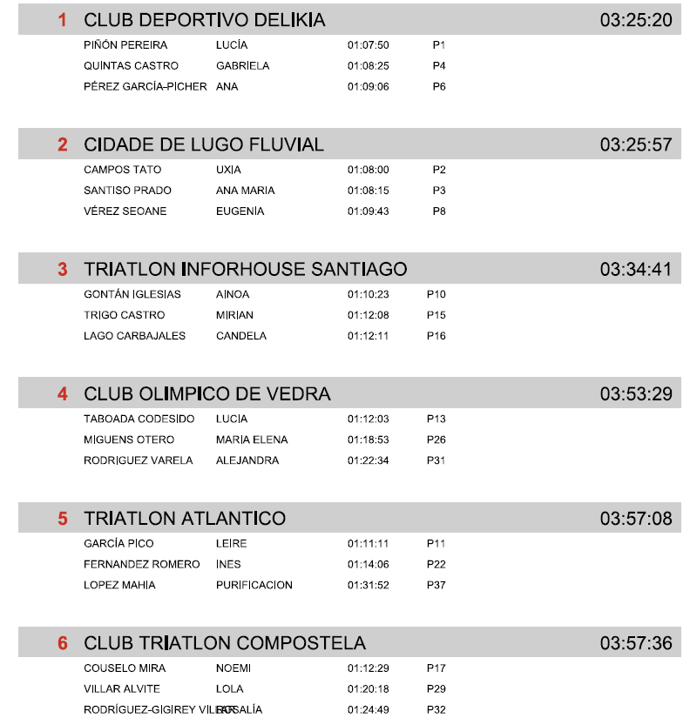

 | CLASIFICACIÓN CLUBS MASCULINA

