CLASIFICACIÓNS
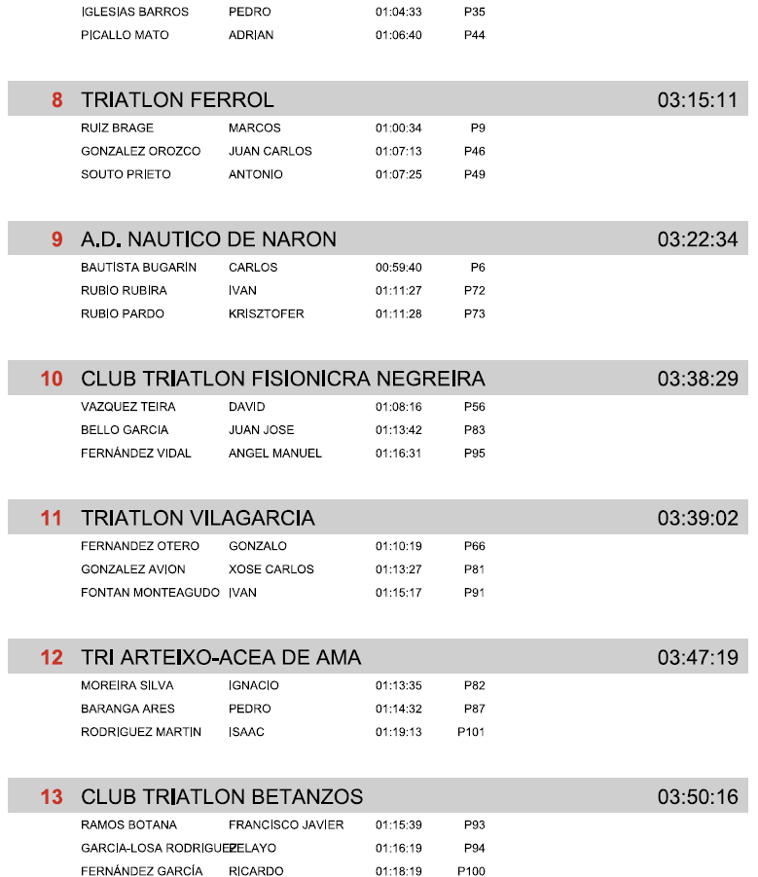
 |  | XXXVII TRIATLON DO MIÑO- LUGO
 |  | PROBA SÚPER SPRINT DE PROMOCIÓN
 |  |  | 2026-08-09

Oficiais |  |  |  | Xurado de competición:
Xuíz árbitro: José Javier Gómez Iglesias |  |  |  | Julia Ferreira Calvo |  |  |  | Tª auga: |  | 24,1º
Delegado Técnico: M Julia Ferreira Calvo |  |  |  | Javier Campos Peña |  |  |  | Tª Aire: |  | 27º
 |  |  |  | Xan Suárez (CN Cedeira-Delikia) |  |  |  | Neopreno: |  | Prohibido

DATOS DA COMPETICIÓN: 300 m (NATACIÓN, 1 volta) | 10 Km (CICLISMO, 2 voltas) - 2500 m (CARREIRA, 1 voltas)
Inscritos: 27 |  |  | Non presentados: 2 |  |  |  | Non finalizados: 0 |  | Descualificados: 0

CLASIFICACIÓN INDIVIDUAL

 | ABSOLUTA FEMININA
Pos | Dorsal | Dorsal | Nombre | Club | Categoría | Natación | P.Nat | T1 | P.T1 | Ciclismo | P.Cic | T2 | P.T2 | Carrera | P.Car | Meta
1 | 1 | 210 | LUCIA AGEITOS ROMERO | CLUB DEPORTIVO DELIKIA | CDF | 00:04:43 | 1 | 00:01:44 | 1 | 00:16:59 | 1 | 00:01:46 | 2 | 00:10:06 | 2 | 00:35:20
2 | 2 | 211 | MARTINA YUBERO SANMARTIN | CLUB DEPORTIVO DELIKIA | CDF | 00:05:07 | 2 | 00:01:50 | 2 | 00:18:39 | 2 | 00:01:50 | 3 | 00:10:09 | 3 | 00:37:37
3 | 3 | 212 | SOFIA ISABEL MALVAREZ SULBARAN | TRIATLON INFORHOUSE SANTIAGO | CDF | 00:05:19 | 3 | 00:01:57 | 3 | 00:19:56 | 3 | 00:02:00 | 5 | 00:10:16 | 4 | 00:39:30
4 | 4 | 209 | LARA ABELLEIRA GOMEZ | CLUB DEPORTIVO DELIKIA | CDF | 00:05:25 | 5 | 00:02:10 | 6 | 00:20:24 | 5 | 00:01:42 | 1 | 00:09:48 | 1 | 00:39:32
5 | 5 | 207 | JULIA MASEDA VÁZQUEZ | CIDADE DE LUGO FLUVIAL | CDF | 00:05:21 | 4 | 00:02:03 | 5 | 00:20:40 | 6 | 00:02:07 | 6 | 00:12:21 | 7 | 00:42:35
6 | 1 | 205 | KAROLA BÖHME | A.D. NAUTICO DE NARON | V1F | 00:07:13 | 7 | 00:02:14 | 7 | 00:20:51 | 7 | 00:02:12 | 7 | 00:12:18 | 6 | 00:44:50
7 |  | 204 | NURIA MEJUTO FERNANDEZ | TRIATLON INFORHOUSE SANTIAGO | ABF | 00:10:20 | 9 | 00:02:19 | 8 | 00:20:19 | 4 | 00:02:26 | 8 | 00:10:28 | 5 | 00:45:54
8 | 6 | 208 | LARA RODRÍGUEZ NOVO | CIDADE DE LUGO FLUVIAL | CDF | 00:05:38 | 6 | 00:02:00 | 4 | 00:24:09 | 9 | 00:01:52 | 4 | 00:12:59 | 8 | 00:46:40
9 | 2 | 206 | MAYRA ROSARIO DULANTO ARRUNATEGUI | LICENZA TEMPORAL DE 1 DIA | V1F | 00:08:28 | 8 | 00:03:03 | 9 | 00:23:15 | 8 | 00:02:58 | 9 | 00:13:01 | 9 | 00:50:47

 | ABSOLUTA MASCULINA
Pos.Gen | Pos.Cat | Dorsal | Nombre | Club | Categoría | Natación | P.Nat | T1 | P.T1 | Ciclismo | P.Cic | T2 | P.T2 | Carrera | P.Car | Meta
Pos.Gen | Pos.Cat | Dorsal | Nombre | Club | Categoría | Natación | P.Nat | T1 | P.T1 | Ciclismo | P.Cic | T2 | P.T2 | Carrera | P.Car | Meta
1 | 1 | 188 | MATEO BOUZÓN BLANCO | TRIATLON ATLANTICO | CDM | 00:04:43 | 1 | 00:01:33 | 1 | 00:16:24 | 2 | 00:01:27 | 1 | 00:09:10 | 2 | 00:33:18
2 | 2 | 196 | BRAIS RENDO BARREIRO | TRIATLON INFORHOUSE SANTIAGO | CDM | 00:04:55 | 4 | 00:01:38 | 3 | 00:16:07 | 1 | 00:01:30 | 2 | 00:09:33 | 3 | 00:33:45
3 | 3 | 192 | AIRAS CAAMAÑO FERNANDEZ | TRIATLON INFORHOUSE SANTIAGO | CDM | 00:04:43 | 2 | 00:01:34 | 2 | 00:16:24 | 3 | 00:01:33 | 3 | 00:10:27 | 8 | 00:34:44
4 | 4 | 195 | NICOLAS PEREZ RUIZ | TRIATLON INFORHOUSE SANTIAGO | CDM | 00:04:46 | 3 | 00:01:44 | 6 | 00:17:33 | 5 | 00:01:42 | 7 | 00:09:38 | 4 | 00:35:25
5 | 5 | 190 | MIGUEL BENASACH LÓPEZ | TRIATLON FERROL | CDM | 00:05:03 | 6 | 00:01:45 | 7 | 00:18:06 | 7 | 00:01:41 | 5 | 00:08:53 | 1 | 00:35:30
6 | 6 | 185 | ALEJANDRO YERA REGUEIRA | A.D. FOGAR | CDM | 00:04:57 | 5 | 00:01:44 | 5 | 00:17:25 | 4 | 00:01:41 | 6 | 00:10:16 | 7 | 00:36:04
7 | 7 | 184 | MARTIN CID REBOLLO | A.D. FOGAR | CDM | 00:05:09 | 7 | 00:01:40 | 4 | 00:18:06 | 6 | 00:01:39 | 4 | 00:09:50 | 5 | 00:36:25
8 | 8 | 193 | BELTRAN LAGO CARBAJALES | TRIATLON INFORHOUSE SANTIAGO | CDM | 00:05:42 | 8 | 00:01:58 | 8 | 00:18:27 | 8 | 00:01:58 | 9 | 00:10:03 | 6 | 00:38:10
9 | 9 | 186 | LUCAS FERNANDEZ PRADO | CLUB TRIATLON VILALBA | CDM | 00:05:59 | 9 | 00:02:00 | 10 | 00:19:45 | 9 | 00:02:19 | 10 | 00:10:32 | 9 | 00:40:36
10 | 1 | 197 | ÁNGEL MARTÍNEZ TENREIRO | TRIATLON ATLANTICO | JVM | 00:06:31 | 1 | 00:02:17 | 1 | 00:19:55 | 1 | 00:02:07 | 1 | 00:10:14 | 1 | 00:41:05
11 | 1 | 199 | MARIO LOPEZ PAZ | TRIATLON FERROL | V1M | 00:09:00 | 1 | 00:01:50 | 1 | 00:19:37 | 1 | 00:01:41 | 1 | 00:09:04 | 1 | 00:41:13
12 | 10 | 187 | XAVI YANEZ AMADO | CLUB TRIATLON VILALBA | CDM | 00:06:03 | 11 | 00:02:01 | 11 | 00:19:58 | 10 | 00:02:22 | 11 | 00:11:29 | 10 | 00:41:55
13 | 11 | 194 | ALONSO ONS FREIRE | TRIATLON INFORHOUSE SANTIAGO | CDM | 00:06:01 | 10 | 00:01:59 | 9 | 00:22:10 | 11 | 00:01:57 | 8 | 00:12:30 | 11 | 00:44:39
14 | 1 | 182 | PABLO DEVESA FARIÑAS | LICENZA TEMPORAL DE 1 DIA | ABM | 00:09:38 | 2 | 00:02:19 | 1 | 00:20:30 | 2 | 00:02:43 | 2 | 00:09:46 | 1 | 00:44:58
15 | 2 | 183 | ALEX FOLGUEIRA LOPEZ | LICENZA TEMPORAL DE 1 DIA | ABM | 00:08:09 | 1 | 00:03:34 | 2 | 00:20:30 | 1 | 00:02:29 | 1 | 00:12:42 | 2 | 00:47:27
16 | 2 | 198 | VICTOR MANUEL VILAR REINA | A.D. NAUTICO DE NARON | V1M | 00:09:02 | 2 | 00:02:44 | 2 | 00:30:32 | 2 | - | - | - | - | 01:04:00
DNS | DNS | 189 | JORGE RODRIGUEZ COTROFE | TRIATLON ATLANTICO | CDM | - | - | - | - | - | - | - | - | - | -
DNS | DNS | 191 | ADRIAN CANOSA FIDALGO | TRIATLON FERROL | CDM | - | - | - | - | - | - | - | - | - | -

